6mA-rice-Chen dataset
6mA-rice-Chen dataset
Source paper | Chen, W., Lv, H., Nie, F., and Lin, H. (2019). i6mA-Pred: identifying DNA N6-methyladenine sites in the rice genome. Bioinformatics. 35, 2796–2800.
Download link | http://lin-group.cn/server/i6mAPred/benchmark.zip
Organism | Rice
Level | DNA
Length | 41 bp
Positive data | 880
Negative data | 880
DL paper used this data | P2 | SNNRice6mA | 2019-10-11 | P2
 | P4 | iRicem6A-CNN | 2021-01-21
 | P7 | Deep6mA | 2021-01-18
 | P11 | A deep learning-based computational approach for discrimination of DNA N6-methyladenosine sites by fusing heterogeneous features | 2020-09-04
 | P14 | i6mA-CNN | 2021-05-14
 | P17 | 6mAPred-MSFF | 2021-08-22

 |  |  |  | P4
 |  |  |  | just for testing
 |  |  |  | P7

 |  |  |  | P11

 |  |  |  | P14
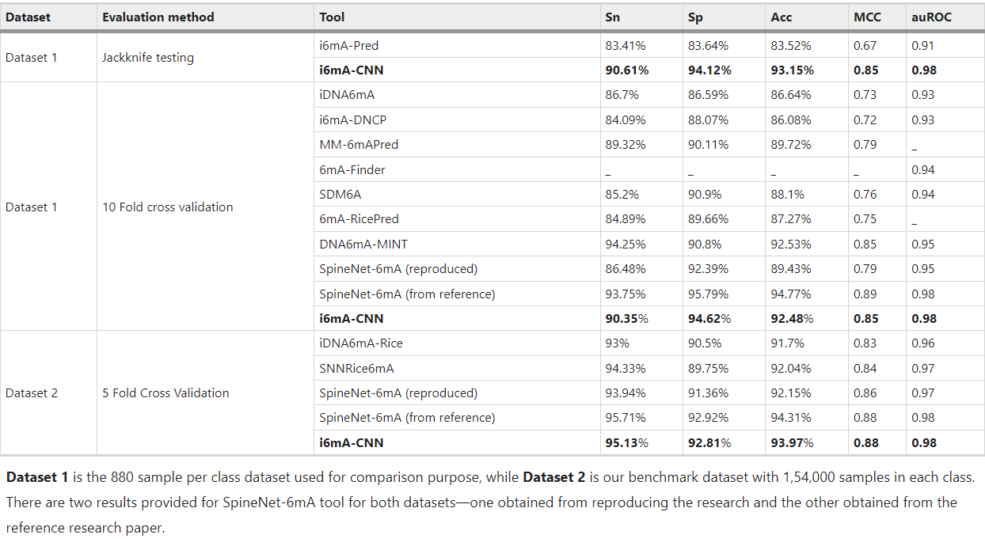

 |  |  |  | P17

A. thaliana_31874 dataset
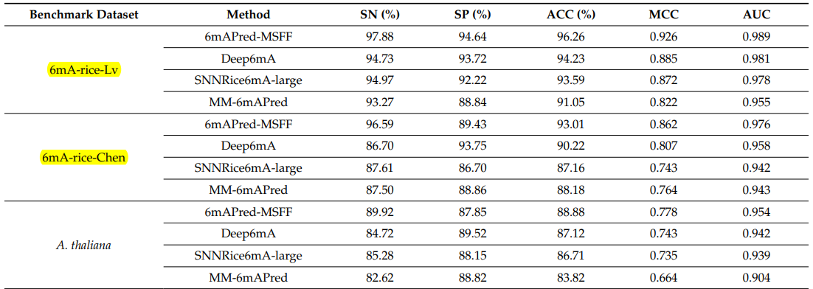
A. thaliana_31874 dataset
Source paper | 6mAPred-MSFF
Download link | https://github.com/raozeng/6mAPred-MSFF
Organism | A. thaliana
Level | DNA
Length | 41 bp
Positive data | 15937
Negative data | 15937
DL paper used this data | P17 | 6mAPred-MSFF | 2021-08-22 | P17

R. chinensis_23630 dataset
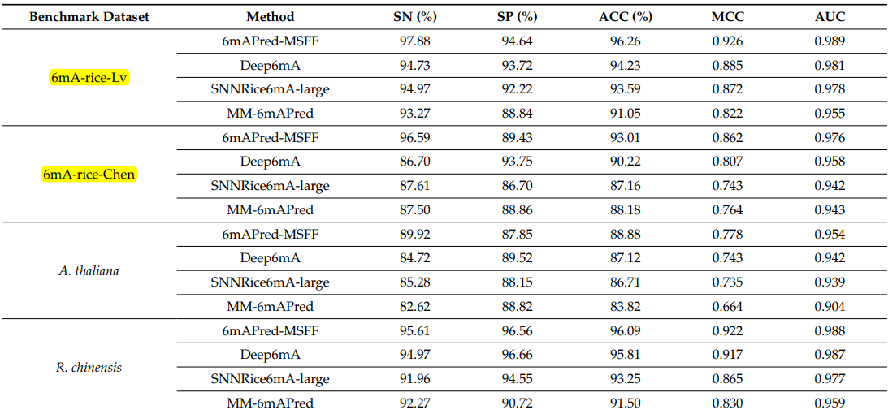
R. chinensis_23630 dataset
Source paper | 6mAPred-MSFF
Download link | https://github.com/raozeng/6mAPred-MSFF
Organism | R. chinensis
Level | DNA
Length | 41 bp
Positive data | 11815
Negative data | 11815
DL paper used this data | P17 | 6mAPred-MSFF | 2021-08-22 | P17

F. vesca_45400 dataset
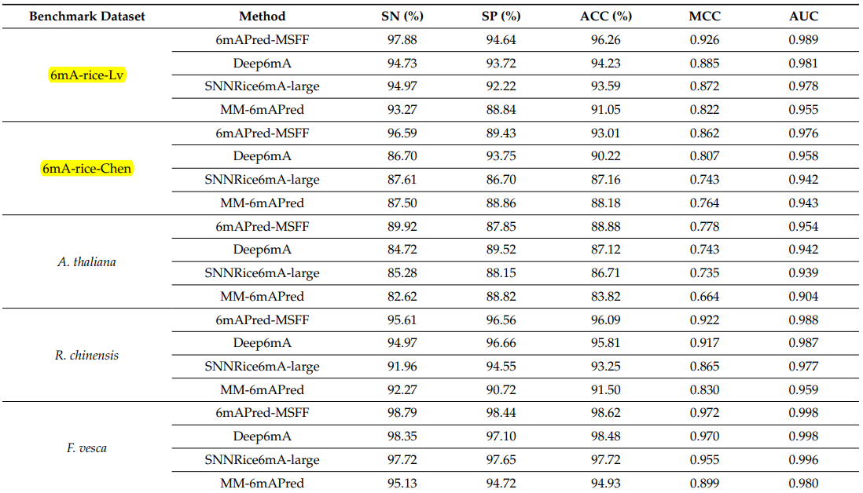
F. vesca_45400 dataset
Source paper | 6mAPred-MSFF
Download link | https://github.com/raozeng/6mAPred-MSFF
Organism | F. vesca
Level | DNA
Length | 41 bp
Positive data | 22700
Negative data | 22700
DL paper used this data | P17 | 6mAPred-MSFF | 2021-08-22 | P17

H.sapiens_36670 dataset
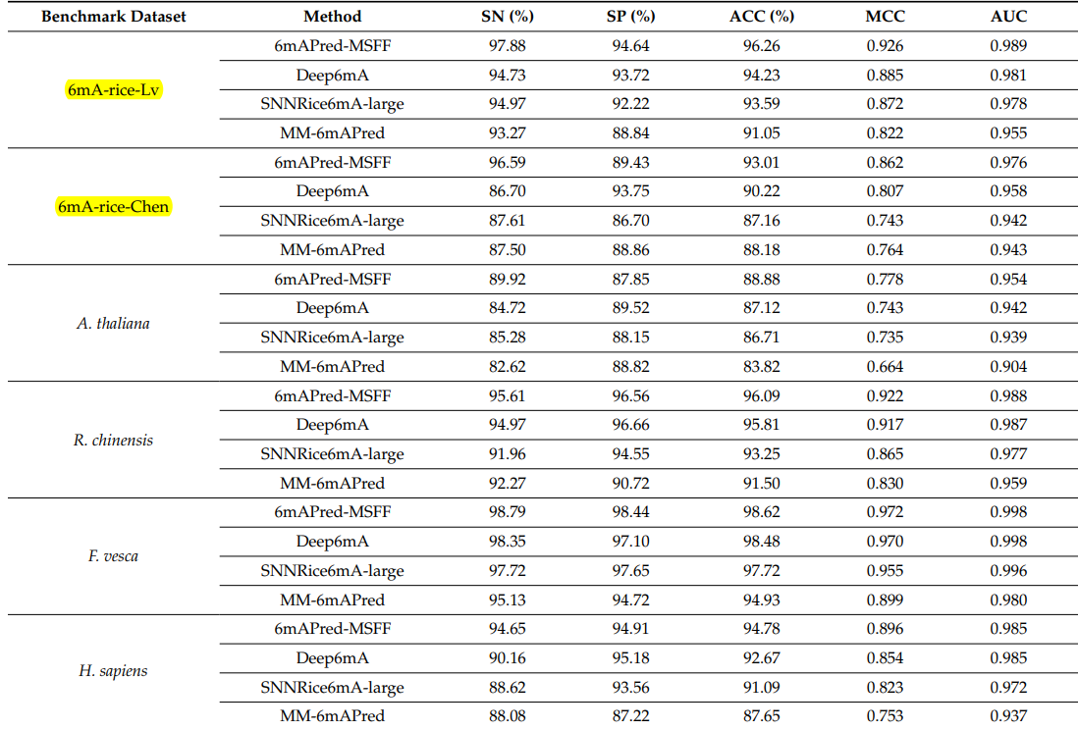
H.sapiens_36670 dataset
Source paper | 6mAPred-MSFF
Download link | https://github.com/raozeng/6mAPred-MSFF
Organism | H.sapiens
Level | DNA
Length | 41 bp
Positive data | 18335
Negative data | 18335
DL paper used this data | P17 | 6mAPred-MSFF | 2021-08-22 | P17

D.melanogaster_22382 dataset
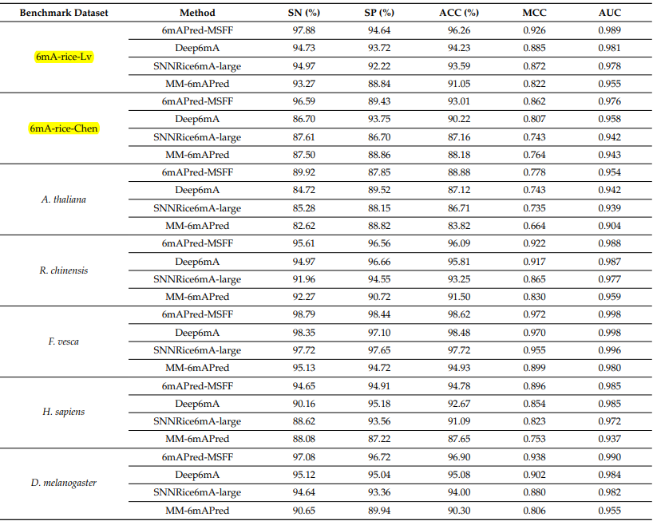
D.melanogaster_22382 dataset
Source paper | 6mAPred-MSFF
Download link | https://github.com/raozeng/6mAPred-MSFF
Organism | D.melanogaster
Level | DNA
Length | 41 bp
Positive data | 11191
Negative data | 11191
DL paper used this data | P17 | 6mAPred-MSFF | 2021-08-22 | P17

